Sheet1
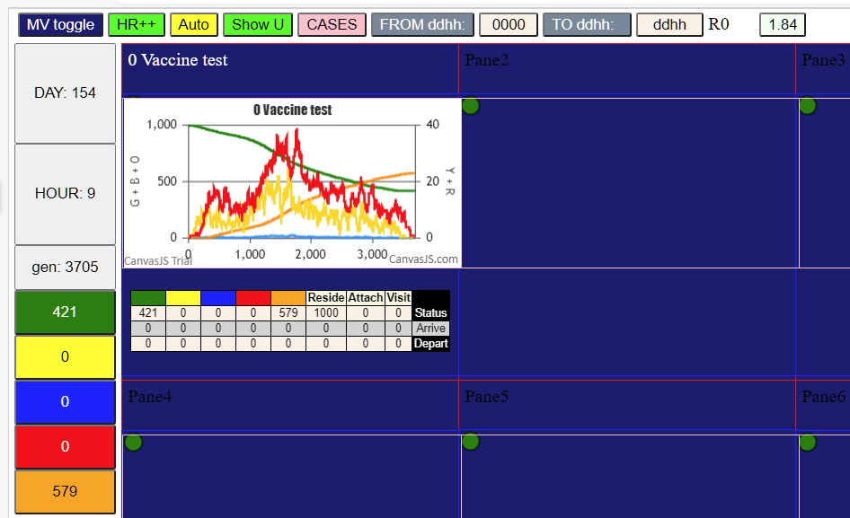

50%
Day 0 | 36
Day 21 | 345

